Performance Notes
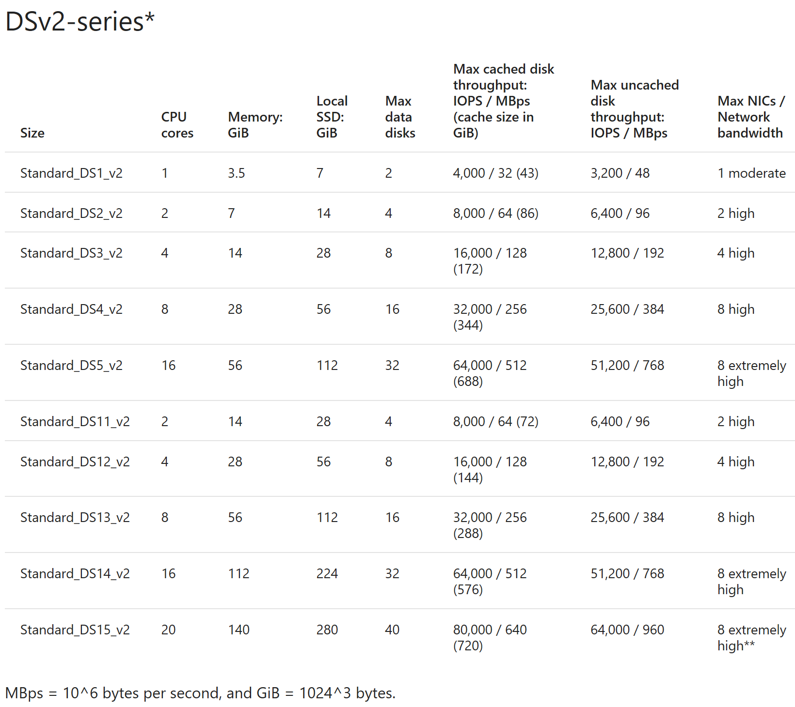
Performance Notes
Storage and Disk performance
Reference 18/01/2017 | https://docs.microsoft.com/en-us/azure/storage/storage-scalability-targets

Disk throughput is not specified for the Basic and Standard Tier VMs
Standard Disk throughput is often throttled. Stripping will increase IOPS and MBps but results vary depending on the VM type.
Disk throughput can exceed the VM maximum throughput when using Premium Storage.
Example: DS1_v2 has maxium IOPS/MBps 3,200/48 and can take 2 x Data disks. 2 x P10 gives (500x2=1000 IOPS) and (100x2=200MB per second).
The VM limit IOPS limit is higher than the disks but the MBps is lower (48 compared to disks 200MBps)

